bball,8,29
# shots made out of ten attempts | Type of shot | Year | Historical Simulation
2 | free-throw | Before 2013 | 0
0 | free-throw | Before 2013 | -200
6 | free-throw | Before 2013 | 400
4 | free-throw | Before 2013 | 200
3 | free-throw | Before 2013 | 100 | Simulated Profit | # simulations of that profit | % simulations of that profit
0 | free-throw | Before 2013 | -200 | -200 | 6 | 0.10
3 | free-throw | Before 2013 | 100 | -100 | 7 | 0.12
3 | free-throw | Before 2013 | 100 | 0 | 8 | 0.13
2 | free-throw | Before 2013 | 0 | 100 | 16 | 0.27
4 | free-throw | Before 2013 | 200 | 200 | 5 | 0.08
6 | free-throw | Before 2013 | 400 | 300 | 6 | 0.10
1 | free-throw | Before 2013 | -100 | 400 | 6 | 0.10
7 | free-throw | Before 2013 | 500 | 500 | 3 | 0.05
0 | free-throw | Before 2013 | -200 | 600 | 2 | 0.03
3 | free-throw | Before 2013 | 100 | 700 | 1 | 0.02
4 | free-throw | Before 2013 | 200 | 800 | 0 | 0.00
1 | free-throw | Before 2013 | -100
3 | free-throw | Before 2013 | 100
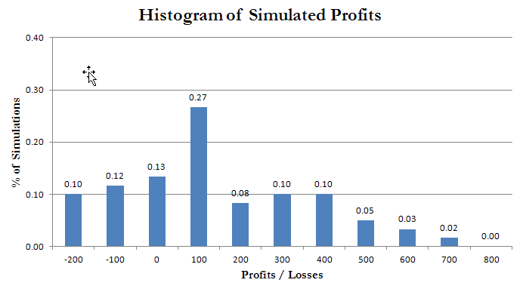
0 | free-throw | Before 2013 | -200
9 | free-throw | Before 2013 | 700
3 | free-throw | Before 2013 | 100
8 | free-throw | Before 2013 | 600
3 | free-throw | Before 2013 | 100
6 | free-throw | Before 2013 | 400
1 | free-throw | Before 2013 | -100
3 | free-throw | Before 2013 | 100
5 | free-throw | Before 2013 | 300
7 | free-throw | Before 2013 | 500
4 | free-throw | Before 2013 | 200
5 | free-throw | Before 2013 | 300
2 | free-throw | Before 2013 | 0
1 | free-throw | 2013 | -100
5 | free-throw | 2013 | 300
3 | free-throw | 2013 | 100
5 | free-throw | 2013 | 300
5 | free-throw | 2013 | 300
2 | free-throw | 2013 | 0
7 | free-throw | 2013 | 500
3 | free-throw | 2013 | 100
5 | free-throw | 2013 | 300
3 | free-throw | 2013 | 100
0 | free-throw | 2013 | -200
2 | free-throw | 2013 | 0
6 | free-throw | 2013 | 400
8 | free-throw | 2013 | 600
2 | free-throw | 2013 | 0
4 | free-throw | 2013 | 200
1 | free-throw | 2013 | -100
1 | free-throw | 2013 | -100
3 | free-throw | 2013 | 100
2 | free-throw | 2013 | 0
6 | free-throw | 2013 | 400
3 | free-throw | 2013 | 100
3 | free-throw | 2013 | 100
6 | free-throw | 2013 | 400
0 | free-throw | 2013 | -200
1 | free-throw | 2013 | -100
3 | free-throw | 2013 | 100
3 | free-throw | 2013 | 100
2 | free-throw | 2013 | 0

